Risk Ass._Simulation Analysis
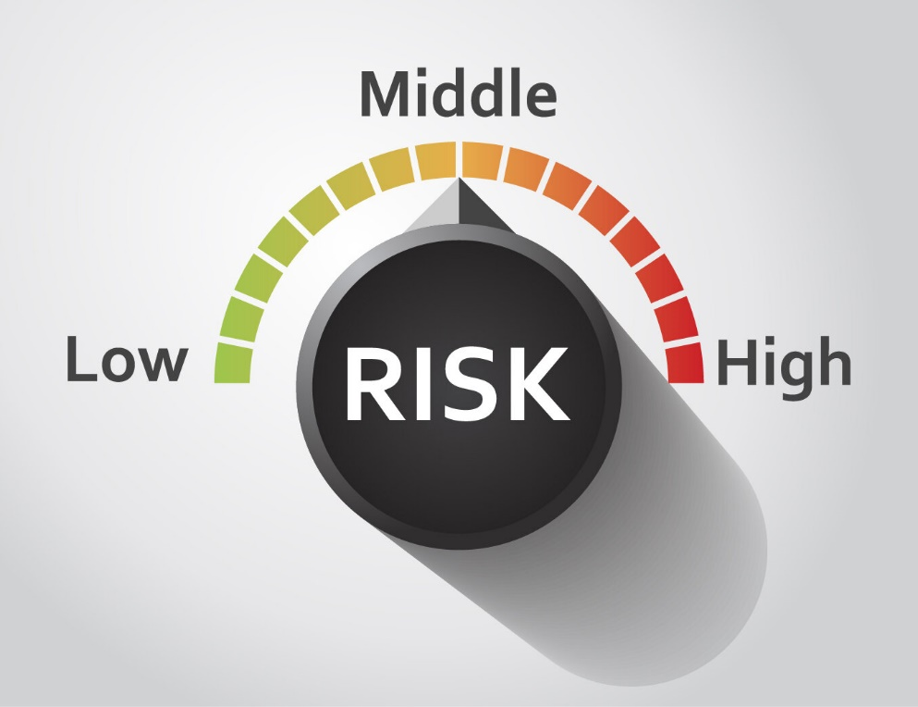
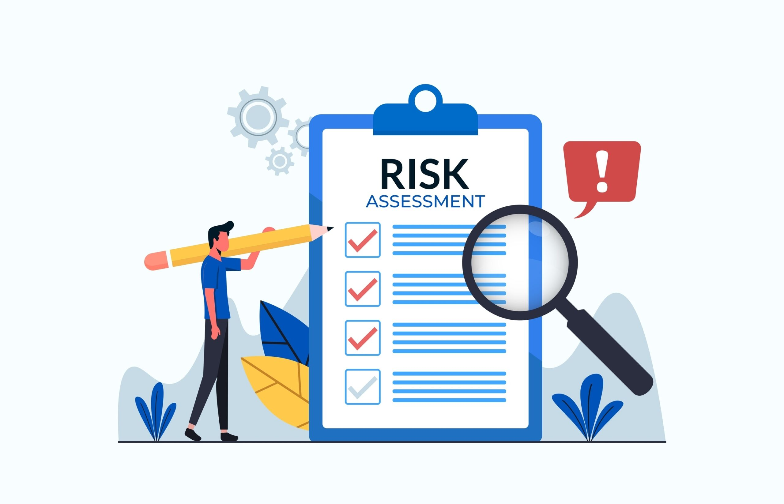
Quantity | 16000
Price | 75 | Risk Assemnet Analysis
Cost of goods sold per unit | 50
Production Cost | 30000

Revenue | 1200000
Cost of goods sold | 800000
Production Cost | 30000
Profit | 370000

Report
 |  | Figure 1 |  | Certainty of earning normal profit | Figure 2 |  |  | Certainty of earning lower than my normal Profit

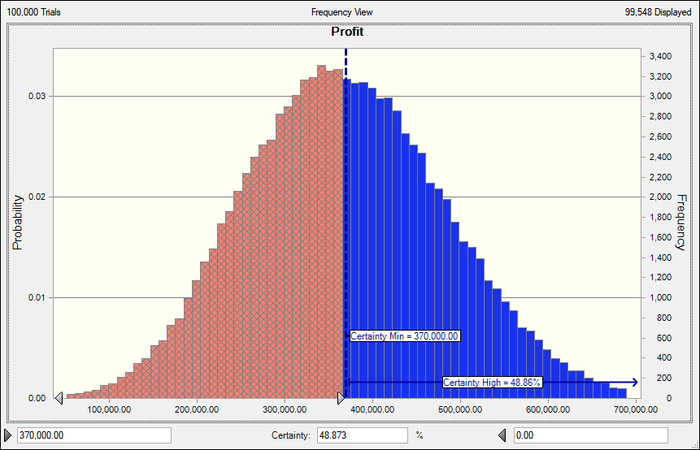
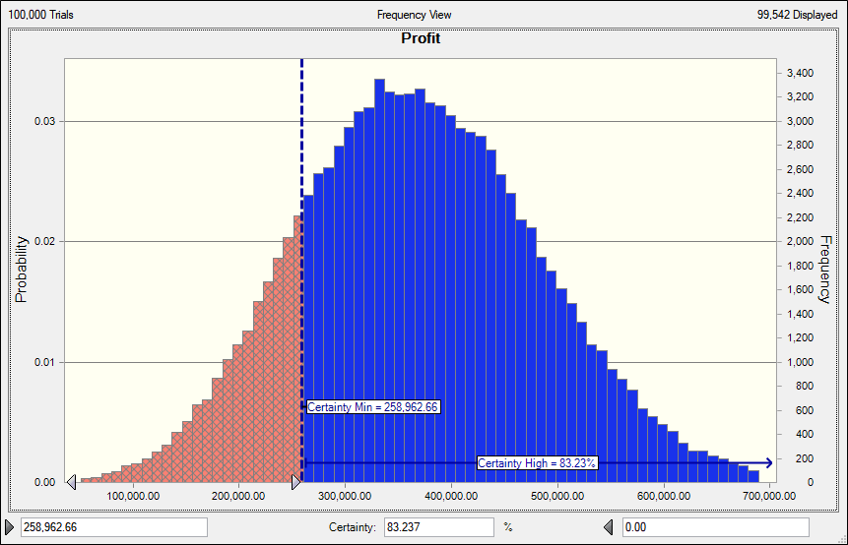

 |  |  |  |  |  |  | Figure 2 shows the certainty of earning lower than the normal profit margin.
 |  |  | Figure 1 above shows the certainty of earning a normal profit which is 48.873%. |  |  |  | So lets say the manager wants to take some risk and manage the business with
 |  |  | He we can say the business will not gain much profit niether will they loss profit. |  |  |  | an amount $258,962.66, the certainty of the business being at risk can be 83.237% high
 |  |  |  |  |  |  | which might affect the company from yielding profits.

 |  | Figure 3 |  | Chances of Earning 500,000 | Figure 4 |  |  | Chances of Earning 600,000 Profit

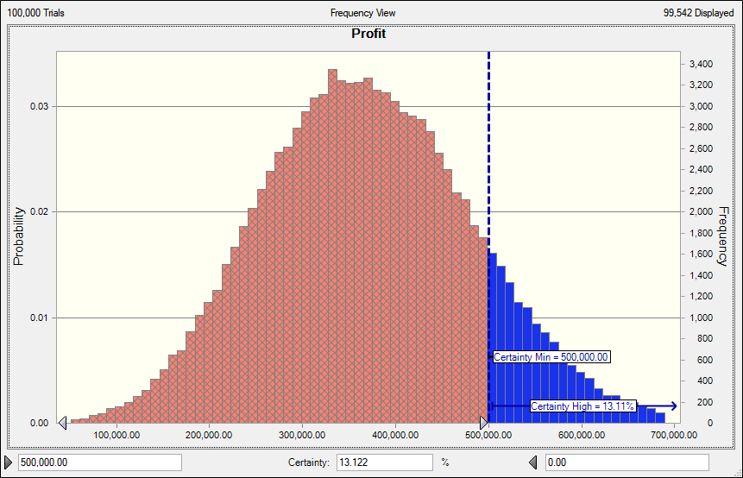
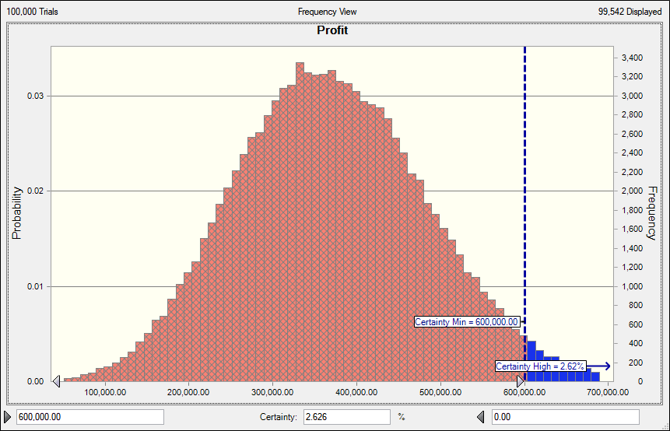

 | In figure 3 above we can see that the chances of yielding $500,00.00 is 13.122%. This means the company can archieve this |  |  |  |  | In figure 4 above we can see that as we go want to archieve greater profits the certainty level drops. So we
 | but not at high changes. |  |  |  |  | can conclude according to the diagram that higher we want to gain profit, the lower the chances will become and
 |  |  |  |  |  | be able to take some risk and be strategic as a manager or C.E.O.

Conclusion
In this analysis I want to know which variable is more important than the rest. Eg want to know which one affects the profit than the other

